BOM
Item | Part Number | Thumbnail | BOM Structure | Unit QTY | QTY | Stock Number | Description | Project | Title | REV
2 | 2205-BGxx1-01 | 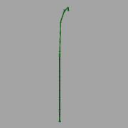 | Normal | 1 | 1 |  | Gas Pipe 01 - DN250 | 2205 - Solrød | Digester Area | -
3 | 2205-BMxx1-01 | 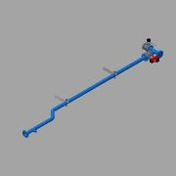 | Normal | 1 | 1 |  | Recirculation Pipe - Inlet - DN100 | 2205 - Solrød | Digester Area
4 | 2205-BMxx2-01 | 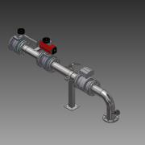 | Normal | 1 | 1 |  | DN100 - Outlet | 2205 - Solrød | Digester Area | -
5 | 2205-BMxx3-01 | 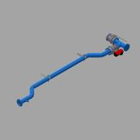 | Normal | 1 | 1 |  | DN150 - Inlet | 2205 - Solrød | Digester Area | -
7 | 2205-BMxx5-01 | 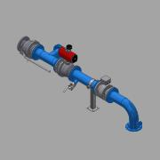 | Normal | 1 | 1 |  | DN150 - Outlet | 2205 - Solrød | Digester Area | -
9 | 2205-AFxx1-01 |  | Normal | 1 | 1 |  | Anti Foam Preparation Pipe 2'' DN50 | 2205 - Solrød | Digester Area | -
10 | 2205-TWxx1-01 |  | Normal | 1 | 1 |  | Technical Water Pipe | 2205 - Solrød | Digester Area
11 | 2205-615-003 | 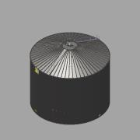 | Normal | 1 | 1 |  | Digester - Assembly - 10150m³ | 2205 - Solrød | Digester | -

